Sheet1
SSA Level 1 CHAMPIONSHIP T-shirt orders 2024

 | CLUB NAME:

 | ORDER CUT OFF: 27 February 2024. NO LATE ORDERS WILL BE ACCEPTED

 | Do not do any payment - Clubs/Districts will be invoiced.
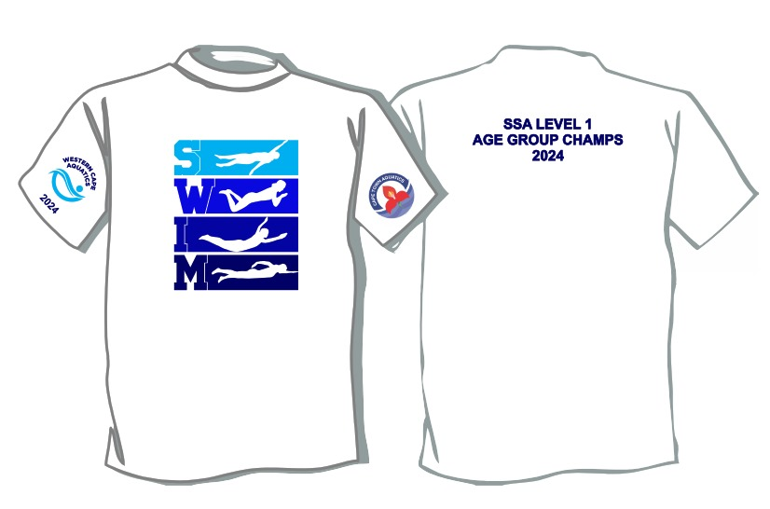

 | SIZE | QTY | PRICE | TOTAL
 | 9-10 |  | R250 | R0
 | 11-12 |  | R250 | R0
 | 13-14 |  | R250 | R0
 | SMALL |  | R250 | R0
 | MEDIUM |  | R250 | R0
 | LARGE |  | R250 | R0
 | XL |  | R250 | R0
 | 2XL |  | R250 | R0
 | 3XL |  | R250 | R0
 |  |  |  | R0

