Sheet1
42nd FREDA BARNARD 2023 SHIRT ORDERS

 | CLUB NAME:

 |  |  | BLACK LONG SLEEVE SHIRT

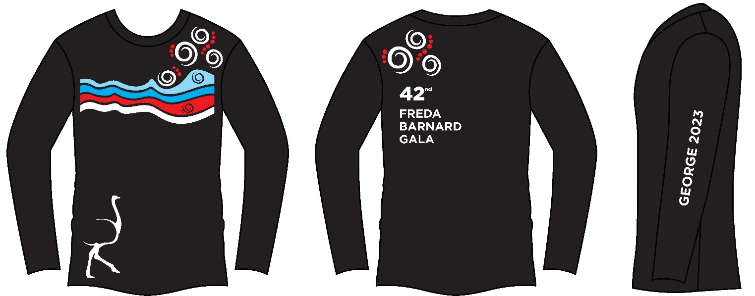
 |  |  |  |  | SIZE | QTY | COST | TOTAL
 |  |  |  |  | 5-6 |  | R250 | R0
 |  |  |  |  | 7-8 |  | R250 | R0
 |  |  |  |  | 9-10 |  | R250 | R0
 |  |  |  |  | 11-12 |  | R250 | R0
 |  |  |  |  | 13-14 |  | R250 | R0
 |  |  |  |  | SMALL |  | R250 | R0
 |  |  |  |  | MEDIUM |  | R250 | R0
 |  |  |  |  | LARGE |  | R250 | R0
 |  |  |  |  | XL |  | R250 | R0
 |  |  |  |  | XXL |  | R250 | R0
 |  |  |  |  | XXXL |  | R250 | R0
 |  |  |  |  |  | 0 |  | R0

CUT OFF DATE FOR ORDERS 15 SEPTEMBER 2023

 |  | TOTAL DUE |  | R0

